General
 | Contents

 | FIND YOUR TASK
 | HOW TO TAG
 |  | Techniques
 |  | Rules
 | WHAT NOT TO TAG
 | TAGGING TIPS
 | WORKSPACE TOOLS

 | Before the tagging:
 | DA should provide a link to Workspace*
 | DA or SME himself/herself should register on Workspace**
 | DA should specify the path to the task
*Workspace is a special online work platform where different tasks (mainly tagging) can be performed
** If you were not registered at Workspace by DA go to "WS registration" for instructions.

FIND YOUR TASK

 |  | 1 | Go to "Tasks"
 |  | 2 | Select category

 |  | 3 | Find your task in the list

 |  | 4 | To start tagging click on arrow near "View" button and choose "Accept"

 |  | 5 | Once the first task has been opened, choose "Automatically accept next task" for a new task to be displayed without confirmation

HOW TO TAG

 |  |  | Techniques

 |  | 1 | Review all Tags from the side panel
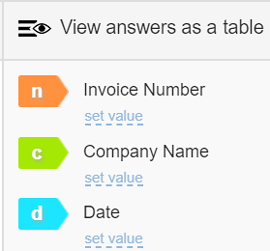

 |  | 2 | Analyze the text
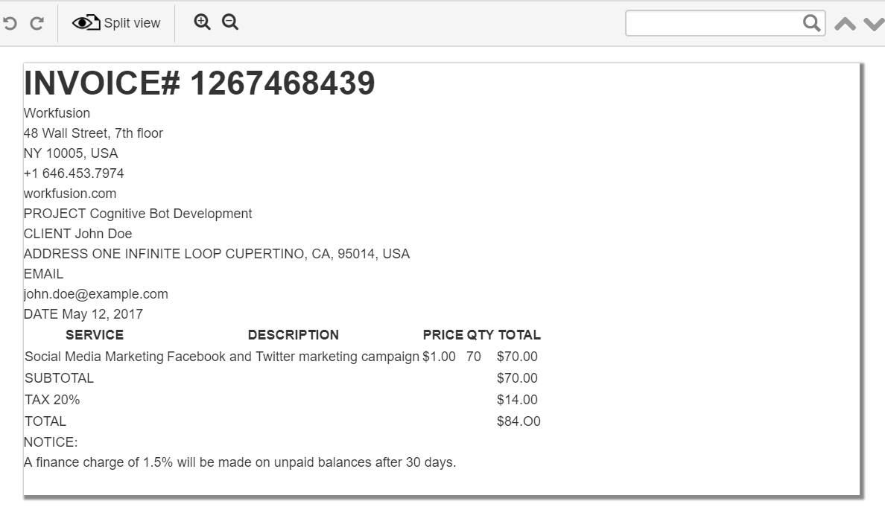

 |  | 3 | When you meet a text chunk that corresponds to one of the Tags:
 |  |  | a. | select the corresponding text chunk

 |  |  | b. | click the corresponding colored Tag icon OR press the corresponding letter (hotkey)

 |  |  | c. | your selection will be highlighted in Tag color

 |  | 4 | Review the results and "Submit" the Task

 |  |  | Rules

 |  |  | 1 | Consistency - across one template all the fields should be tagged from same locations
 |  |  | 2 | Completeness - don't omit any part of the value (e.g.: Ltd. in company names, .00 in amounts, etc.)
 |  |  | 3 | Tag all available fields, don't miss anything, except for values corrupted by OCR.
 |  |  | 4 | Don't tag fields corrupted by OCR (examples are provided below).
 |  |  | 5 | Always tag ALL the products when there multi products lines in invoice.
 |  |  | 6 | Never tag the amount together with currency sign
 |  |  | 7 | Be careful with values in the answer boxes: select appropriate values from the list, if there is a dropdown, or correct the value if needed. Don't submit mistaken answers!
 |  |  | 8 | Use Reference data correctly. No "N/A" if the value must be chosen from the drop-down list.
 |  |  | 9 | Use "Append selected to" carefully
 |  |  | 10 | Before the submitting: check the position and data-value of every tag - is everything correct?

 |  |  |  | *** | For more details visit | https://kb.workfusion.com/display/PS/3.+Tagging+rules+and+instructions

WHAT NOT TO TAG

 |  |  | OCR has not recognized the field at all

 |  |  | OCR has corrupted the value

 |  |  | OCR has not recognized the context at all

 |  |  | OCR has corrupted the context

 |  |  | OCR has corrupted the structure, only the part of string is field's value

 |  |  |  | *** | For more details visit | https://kb.workfusion.com/display/PS/3.+Tagging+rules+and+instructions#expand-WHATNOTTOTAG

TAGGING TIPS

 |  |  | To speed up the process of tagging:

 |  | 1 | Hotkeys
 |  |  | Fields' can be assigned different hotkeys. As usual it's the first letter of the key word in a phrase for easier memorizing , e.g.: invoice_date -> d, invoice_number -> n etc. However, if there are too many fields, numbers also can be used:

 |  |  | IMPORTANT
 |  |  | Be very attentive with using hotkeys. If there are many fields in the task, it can take some time to remember all of them. Before submitting ALWAYS review data values for all the fields to prevent mistakes in tags' assignment.

 |  | 2 | Click on the word 2 times to highlight it
 |  |  | For long text chunks the following combination can be used:
 |  | 3 | Click 2 times on the first word, press Shift and click 2 times on the last word in a string
 |  |  | For long text chunks consisting of several elements, for instance: Foreign Limited Liability Company, Tampa Consultancy Holdings etc.
 |  | 4 | Ctrl+click to select the whole cell or several cells ???

WORKSPACE TOOLS

 |  | 1 | Split View
 |  |  | Click this icon to open an original document. It will be displayed under the tagging area

 |  | 2 | Popup
 |  |  | Original document will be opened as a popup

 |  | 3 | Correct data-value
 |  |  | Should be used ONLY to correct OCR mistakes

 |  | 4 | Cancel tagging of the last item
 |  |  | Ctrl+Z or

 |  | 5 | Remove data-value

Georgia Instr.
NAME OF TEMPLATE: |  | Georgia
NUMBER OF LAYOUTS: |  | 2
NAME OF THE TASK ON WS: |  | Georgia_Batch 1_20/04/2018
 |  |  |  | Layout #1 |  |  | Layout #2

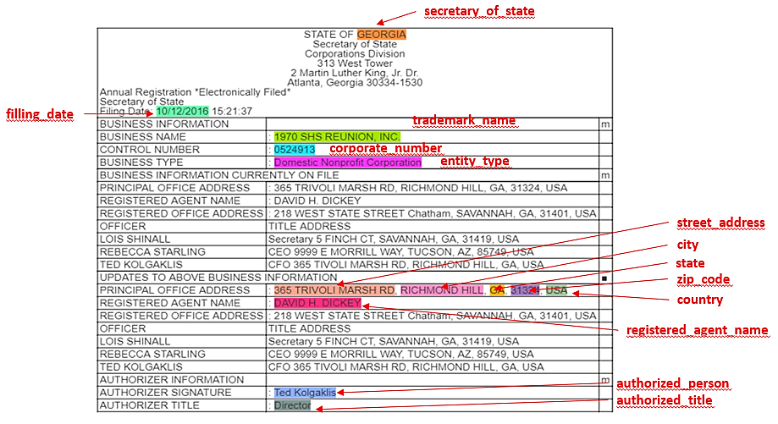
 | LIST OF FIELDS:
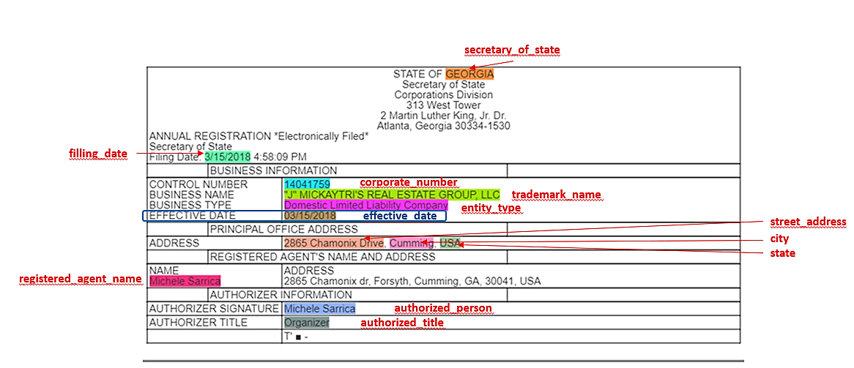
1 | secretary_of_state
2 | trademark_name
3 | corporate_number
4 | entity_type
5 | filling_date
6 | effective_date
7 | authorized_person
8 | authorized_title
9 | registered_agent_name
10 | street_address
11 | city
12 | country
13 | state
14 | zip_code

 |  | Common Pecularities
 |  | 1. Date is presented in American format. While tagging it will be converted into European format DD/MM/YYYY
 |  | 2. BUSINESS TYPE row title indicates entity_type field
 |  | 3. If address includes specification of office or suite it should be included in street_address tag (e.g.: 1107 SAINT PHILLIPS COURT, SUITE 1204, SEATTLE, 23643, WA, USA)
 |  | 4. CONTROL NUMBER row always stands for corporate_number tag
 |  | 5. If trademark_name starts from special sign ( " & ! etc.) consult the original document to make sure it's not an OCR mistake. If not, it should be included into selection, if it is some letter which was badly OCRed - also select it and correct manually data-value
Specific for #1 |  |  |  |  | Specific for #2
 |  |  | 1. Address information (street, city, state, zip, country) and Registered Agent Name should be tagged from “UPDATES TO ABOVE BUSINESS INFORMATION” block |  |  | 1. Field "Effective date" should be tagged

